工作表1
Class | Method | Params (Type, Name) | Returns (Type, Name) | Return Values | Exception | Source Code | Code lines node | CFG (each node representing a block or statement) or data flow annoated CFG | Test Paths | Test Requirements ( Basis Path) | Infeasible TRs | Revised TRs | Test Cases | Memo
GeoHash | gridAsString() | String hash:reference hash int fromRight:左右起始 int fromBottom:上下起始 int toRight:左右終點 int toBottom:上下終點 Set<String> highlightThese:座標集 | String | Returns a String of lines of hashes to represent the relative positions of hashes on a map. | n/a | https://stv.csie.ntut.edu.tw/108598007/GeoProject/blob/master/src/test/java/com/github/davidmoten/geo/GeoHashTest.java | 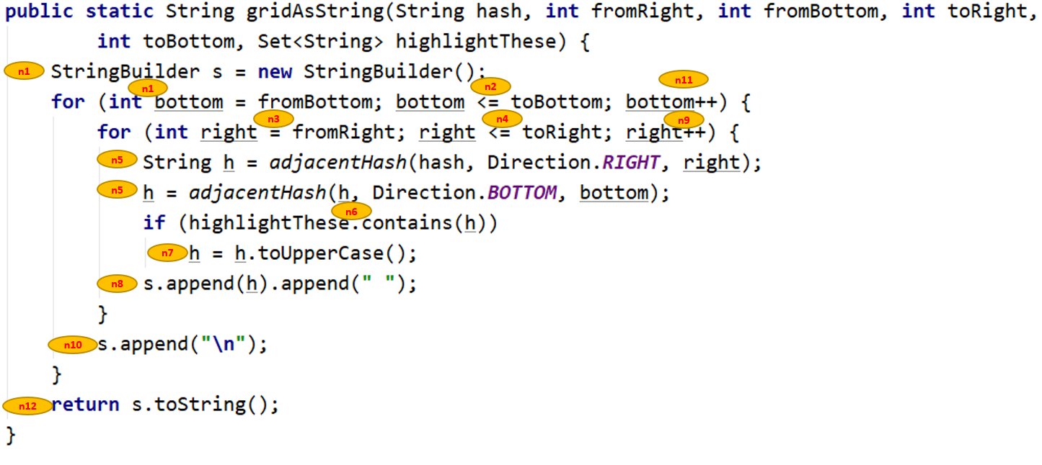 | 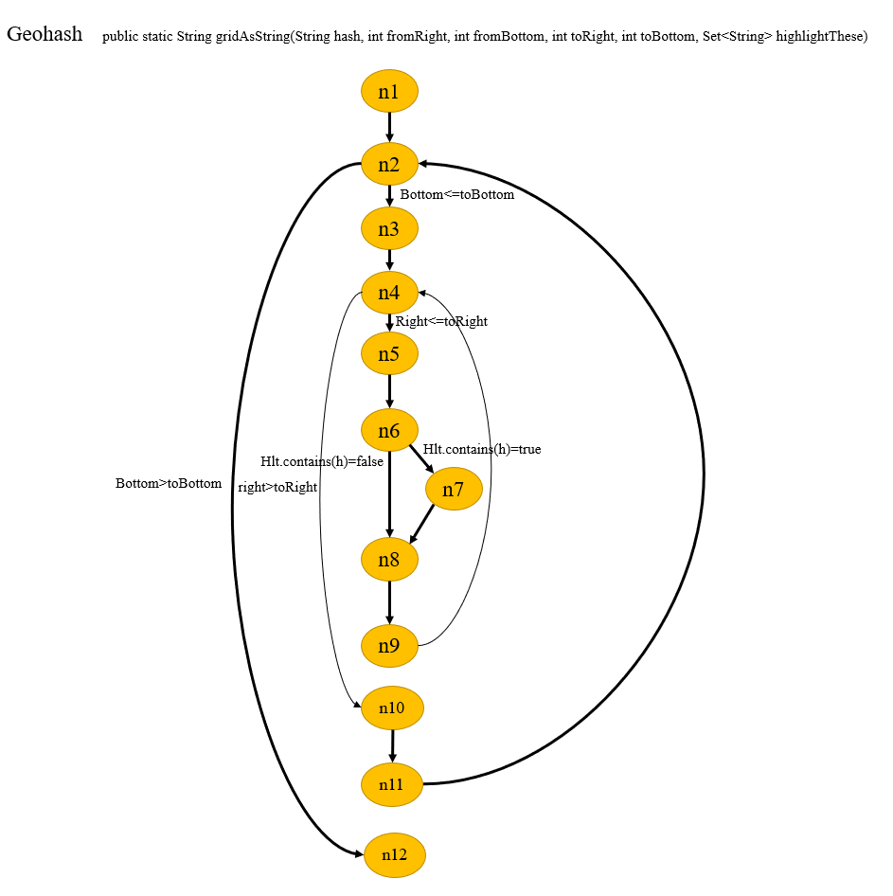 | P1:{n1,n2,n3,n4,n5,n7,n8,n9,n4,n10,n11,n2,n12} | {P1} | n/a | n/a | T1:{hash:"dr",fromRight:0,fromBottom:1,toRight:1,toBottom:1,set=["dq","te"],expected :"DQ dw \n"} | T1 covers P1
GeoHash | adjacentHash() | String hash:起始座標 Direction direction:方向 | String | hash的direction方向座標 | IllegalArgumentException | https://stv.csie.ntut.edu.tw/108598007/GeoProject/blob/master/src/test/java/com/github/davidmoten/geo/GeoHashTest.java | 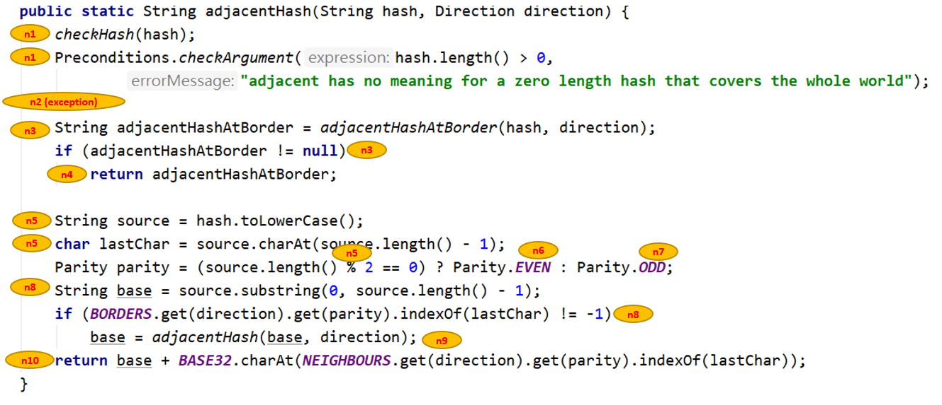 | 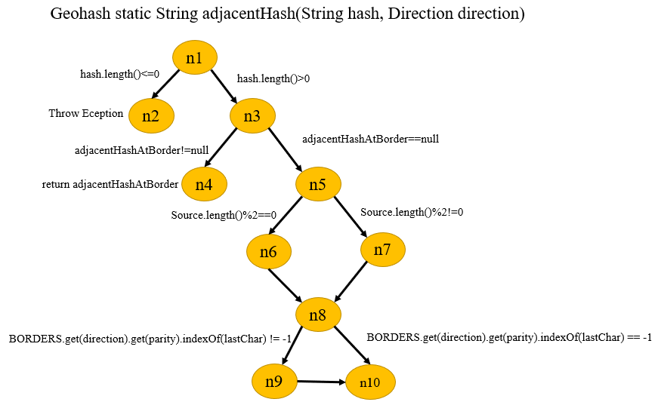 Figure/ Figure2.png | P1:{n1,n2} P2:{n1,n3,n4} P3:{n1,n3,n5,n6,n8,n9,n10} P4:{n1,n3,n5,n6,n8,n10} P5:{n1,n3,n5,n7,n8,n9,n10} P6:{n1,n3,n5,n7,n8,n10} | {P1,P2,P3,P4,P5,P6} | P3:{n1,n3,n5,n6,n8,n9,n10} P5:{n1,n3,n5,n7,n8,n9,n10} | P3:{n1,n3,n5,n6,n8,n9,n1,n3,n5,n6,n8,n10} P3:{n1,n3,n5,n7,n8,n9,n1,n3,n5,n6,n8,n10} | T1:{hash:"",direction:RIGHT,expected:IllegalArgumentException} T2:{hash:"z",direction:RIGHT,expected:"b"} T3:{hash:"drdz",direction:RIGHT,expected:"drep"} T4:{hash:"dr",direction:RIGHT,expected:"dx"} T5:{hash:"ssz",direction:RIGHT,expected:"sub"} T6:{hash:"sss",direction:RIGHT,expected:"sst"} | T1 covers P1 T2 covers P2 T3 covers P3 T4 covers P4 T5 covers P5 T6 covers P6
GeoHash | widthDegrees() | int n:hash的長度 | double | 左右之度數 | n/a | https://stv.csie.ntut.edu.tw/108598007/GeoProject/blob/master/src/test/java/com/github/davidmoten/geo/GeoHashTest.java | 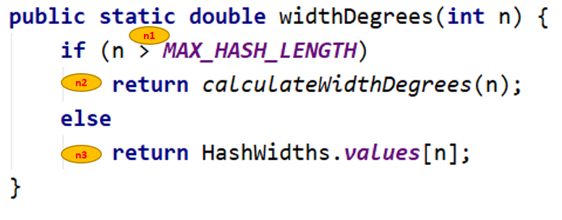 | 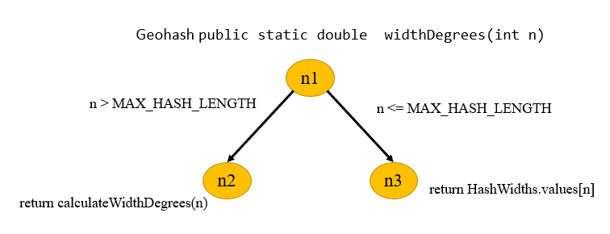 Figure/ Figure3.png | P1:{n1,n2} P2:{n1,n3} | {P1,P2} | n/a | n/a | T1:{n:1,expected:45.0} T2:{n:13,expected:4.190951585769653E-8} | T1 covers P1 T2 covers P2
Base32 | decodeBase32() | String hash | long | hash轉10進制 | IllegalArgumentException | https://stv.csie.ntut.edu.tw/108598007/GeoProject/blob/master/src/test/java/com/github/davidmoten/geo/Base32Test.java | 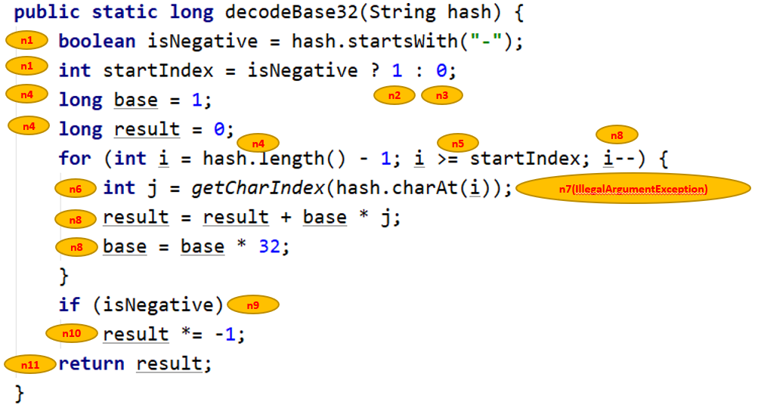 | 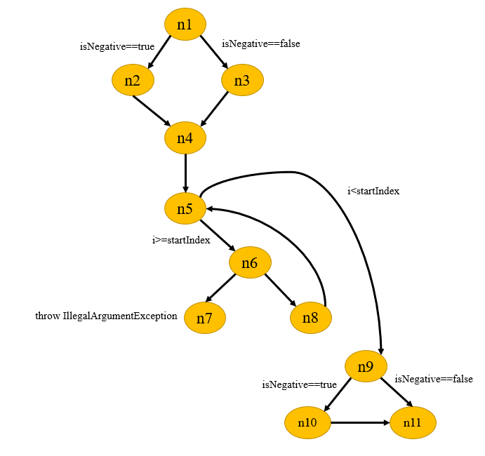 Figure/ Figure4.png | P1:{n1,n2,n4,n5,n6,n7} P2:{n1,n2,n4,n5,n6,n8,n5,n9,n10,n11} P3:{n1,n2,n4,n5,n6,n8,n5,n9,n11} P4:{n1,n3,n4,n5,n6,n7} P5:{n1,n3,n4,n5,n6,n8,n5,n9,n10,n11} P6:{n1,n3,n4,n5,n6,n8,n5,n9,n11} | {P1,P2,P3,P4,P5,P6,P7,P8} | P3:{n1,n2,n4,n5,n6,n8,n5,n9,n11} P5:{n1,n3,n4,n5,n6,n8,n5,n9,n10,n11} | P3:{n1,n2,n4,n5,n6,n8,n5,n9,n10,n11} P5:{n1,n3,n4,n5,n6,n8,n5,n9,n10(刪除),n11} | T1:{hash:"-a",direction:RIGHT,expected:IllegalArgumentException} T2:{hash:"-b",direction:RIGHT,expected:-10} T3:{hash:"-c",direction:RIGHT,expected:-11} T4:{hash:"a",direction:RIGHT,expected::IllegalArgumentException} T5:{hash:"b",direction:RIGHT,expected:10} T6:{hash:"c",direction:RIGHT,expected:11} | T1 covers P1 T2 covers P2 T3 covers P3 T4 covers P4 T5 covers P5 T6 covers P6
Base32 | encodeBase32() | long i:欲轉換之10進制hash int length:輸出最大長度 | String | 10進制轉32進制 | n/a | https://stv.csie.ntut.edu.tw/108598007/GeoProject/blob/master/src/test/java/com/github/davidmoten/geo/Base32Test.java | 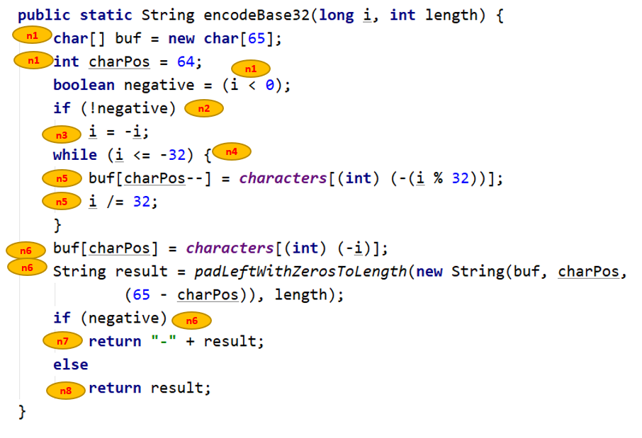 | 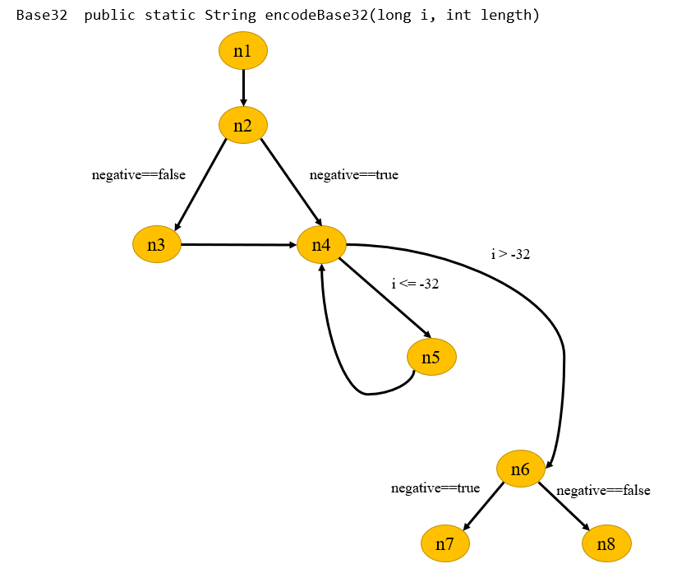 Figure/ Figure5.png | P1:{n1,n2,n3,n4,n5,n4,n6,n7} P2:{n1,n2,n3,n4,n5,n4,n6,n8} P3:{n1,n2,n4,n5,n4,n6,n7} P4:{n1,n2,n4,n5,n4,n6,n8} | {P1,P2,P3,P4} | P1:{n1,n2,n3,n4,n5,n4,n6,n7} | P1:{n1,n2,n3,n4,n5,n4,n6,n8} P1:{n1,n2,n4,n5,n4,n6,n7} | T1:{i:31,length:4,expected:"000z"} T2:{i:10,length:4,expected:"000b"} T3:{i:-31,length:4,expected:"-000z"} T4:{i:-10,length:4,expected:"-000b"} | T1 covers P1 T2 covers P2 T3 covers P3 T4 covers P4
Base32 | padLeftWithZerosToLength() | String s:欲加長之hash int length:欲加長為length長度 | String | hash增加至length長度 | n/a | 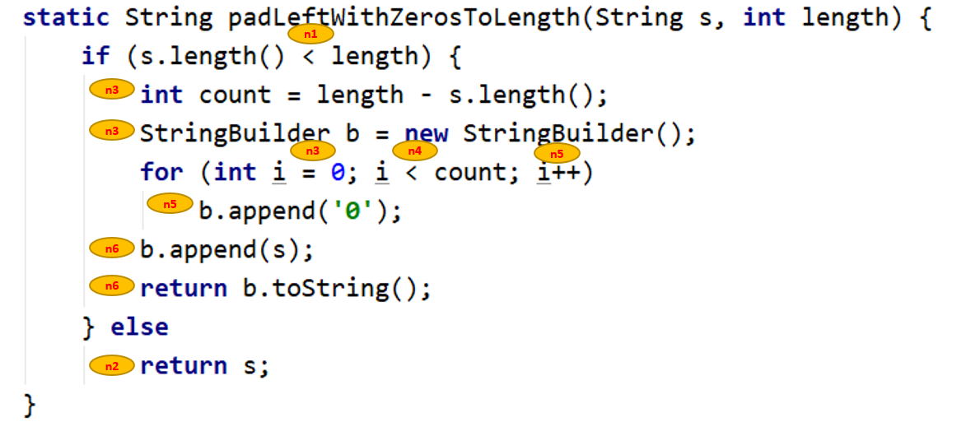 https://stv.csie.ntut.edu.tw/108598007/GeoProject/blob/master/src/test/java/com/github/davidmoten/geo/Base32Test.java |  | 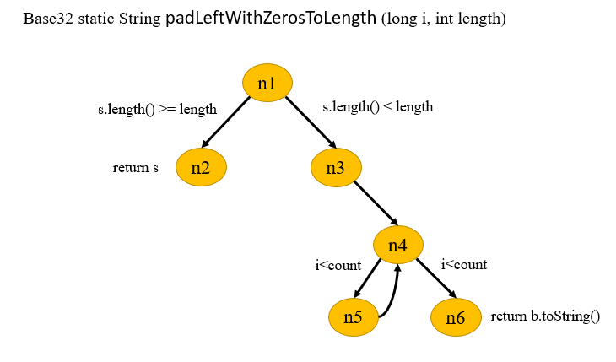 Figure/ Figure6.png | P1:{n1,n2} P2:{n1,n3,n4,n5,n4,n6} | {P1,P2} | n/a | n/a | T1:{s:"29jw",length:4,expected:"29jw"} T2:{s:"29jw",length:5,expected:"029jw"} | T1 covers P1 T2 covers P2

